Step-by-Step Instructions
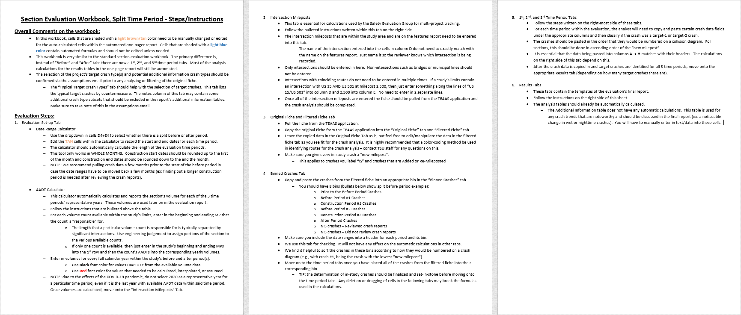

Results - 1 Target
one-pager evaluation report for projects with a split time period and 1 target crash

 |  |  |  |  |  |  |  |  |  |  | Cell Shading Key
 | Safety Project Evaluation |  |  |  |  |  |  |  |  |  | User Input Required
 |  |  |  |  |  |  |  |  |  |  | Automatically Calculated

 | Order ID: |  |  |  | Treatment Information |  | Before Period | After Period #1 | After Period #2
 | Project ID: |  |  |  |  |  |  |  |  | Comments for the user: |  |  | Time #1 | Total | Target-1 | Target-2 | All Targets
 | Location: |  |  |  | Total Crashes |  | 68 | 39 | 36 | ● | This tab is for SS/HE project evaluations that have a before or an after period that is split in two. The time period headers within the tables in the report should be automated. Make sure to put in the discussion why this evaluation has a split time period. |  | K | 2 | 2 | 0 | 2
 |  |  |  |  | Total Severity Index |  | 6.30 | 7.35 | 4.96 |  |  |  | A | 1 | 1 | 0 | 1
 |  |  |  |  | Total Crashes Per Year |  | 13.38 | 12.32 | 18.78 |  |  |  | B | 6 | 1 | 0 | 1
 |  |  |  |  |  |  |  |  |  | ● | Cells that are shaded TAN are not automatic and need to be filled in prior to printing |  | C | 12 | 2 | 0 | 2
 | Length: |  |  |  | Target Crashes |  | 12 | 3 | 8 | ● | If a calculated percent increase is significantly above 100% and you feel this change would be best represented by reporting "100% +" then you should manually change these values. |  | O | 47 | 6 | 0 | 6
 | GPS Coordinates: |  |  |  | Target Crash Severity Index |  | 21.80 | 26.27 | 12.33 |  |  |  | Total | 68 | 12 | 0 | 12
 | County: |  |  |  | Target Crashes Per Year |  | 2.36 | 0.95 | 4.17 |  |  |  | SI | 6.30 | 21.80 | 0.00 | 21.80
 | City: |  |  |  |  |  |  |  |  | ● | Write any necessary discussion on the evaluation results in the large merged cell at the bottom of the page. TIP: to drop lines within a single cell, press ALT+ENTER |  | Years | 5.08
 | Division: |  |  |  | Volume (2016, 2018, 2022) |  | 12,900 | 13,500 | 12,900

 | Countermeasure(s): |  |  |  | Injury Crash Summary |  | Before Period | After Period #1 | After Period #2 |  |  |  | Time #2 | Total | Target-1 | Target-2 | All Targets
 |  |  |  |  |  |  |  |  |  | Instructions for printing 1-Pager Results Tab |  |  | K | 1 | 0 | 0 | 0
 |  |  |  |  | Fatal Injury Crashes |  | 2 | 1 | 0 | 1 | Highlight the cells within but not including the GREEN border |  | A | 1 | 1 | 0 | 1
 |  |  |  |  | Class A Injury Crashes |  | 1 | 1 | 1 | 2 | Select Print or hit Control + P |  | B | 3 | 0 | 0 | 0
 |  |  |  |  | Class B Injury Crashes |  | 6 | 3 | 2 | 3 | Select the printer you wish to use (Microsoft Print to PDF is recommended with 8.5”x11” paper size) |  | C | 10 | 0 | 0 | 0
 | Estimated Project Cost: |  |  |  | Class C Injury Crashes |  | 12 | 10 | 7 |  |  |  | O | 24 | 2 | 0 | 2
 | Completion Date: |  |  |  | Property Damage Only |  | 47 | 24 | 26 | 4 | In the first box under Settings select “Print Selection”. This will ensure only the cells you have highlighted are printed out, rather than the whole sheet. |  | Total | 39 | 3 | 0 | 3
 |  |  |  |  |  |  |  |  |  |  |  |  | SI | 7.35 | 26.27 | 0.00 | 26.27
 |  | Start Date | End Date | Length | Injury Crashes Per Year |  | 4.13 | 4.74 | 5.22 | 5 | Select “Custom Margins” in the second to last dropdown box. Match the margin settings in the pop up box to that of the below image. The Left/Right margins should be 0.1" and the Top/Bottom margins should be 0.3". Also make sure that the “Horizontally” and “Vertically” boxes are checked under the "Center on page" section. This will ensure the print area is centered within the page layout. |  | Years | 3.17
 | Before Period | 2013-01-01 | 2018-01-31 | 5y, 1m
 | Construction Period #1 | 2018-02-01 | 2018-04-30 | 0y, 3m | Target Injury Crash Summary |  | Before Period | After Period #1 | After Period #2
 | After Period #1 | 2018-05-01 | 2021-06-30 | 3y, 2m |  |  |  |  |  |  |  |  | Time #3 | Total | Target-1 | Target-2 | All Targets
 | Construction Period #2 | 2021-07-01 | 2021-09-30 | 0y, 3m | Fatal Injury Crashes |  | 2 | 0 | 0 |  |  |  | K | 0 | 0 | 0 | 0
 | After Period #2 | 2021-10-01 | 2023-08-31 | 1y, 11m | Class A Injury Crashes |  | 1 | 1 | 1 |  | ● | 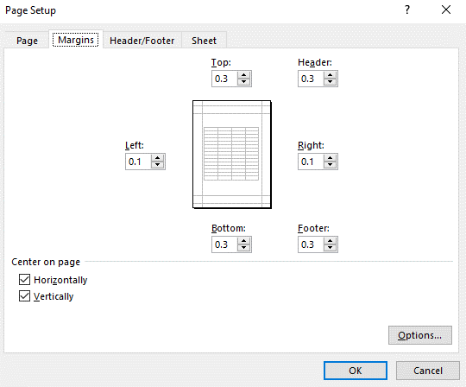 | A | 1 | 1 | 0 | 1
 |  |  |  |  | Class B Injury Crashes |  | 1 | 0 | 0 |  |  |  | B | 2 | 0 | 0 | 0
 | Analysis Criteria: |  |  |  | Class C Injury Crashes |  | 2 | 0 | 2 |  |  |  | C | 7 | 2 | 0 | 2
 |  |  |  |  | Property Damage Only |  | 6 | 2 | 5 |  |  |  | O | 26 | 5 | 0 | 5
 |  |  |  |  |  |  |  |  |  |  |  |  | Total | 36 | 8 | 0 | 8
 |  |  |  |  | Target Injury Crashes Per Year |  | 1.18 | 0.32 | 1.57 |  |  |  | SI | 4.96 | 12.33 | 0.00 | 12.33
 |  |  |  |  |  |  |  |  |  |  |  |  | Years | 1.92
 | Target Crashes: |  |  |  | Additional Information |  | Before Period | After Period #1 | After Period #2

 |  |  |  |  | Additional Info. Crash Type (crashes per year) |  | # (X.XXcpy) | # (X.XXcpy) | # (X.XXcpy)

 | Map/Satellite Views
 |  |  |  |  | Project Development Comparison
 |  |  |  |  | Crashes Per Year by Project Time Period | Project Development | Before Period | After Period #1 | After Period #2

 |  |  |  |  | Years |  | 5.08 years | 3.17 years | 1.92 years | 6 | In the final dropdown box, select “Fit Sheet on One Page”
 |  |  |  |  | Start Date |  | 2013-01-01 | 2018-05-01 | 2021-10-01 | 7 | Hit Print!
 |  |  |  |  | End Date |  | 2018-01-31 | 2021-06-30 | 2023-08-31 | NOTE: | If you feel that any of the above print settings should be changed to allow for a better print out of this report, contact TSU staff first. For the vast majority of evaluations, these settings should be best.

 |  |  |  |  | Total |  | 13.38 | 12.32 | 18.78
 |  |  |  |  | Fatal Injury |  | 0.39 | 0.32 | 0.00
 |  |  |  |  | Class A Injury |  | 0.20 | 0.32 | 0.52
 |  |  |  |  | Class B Injury |  | 1.18 | 0.95 | 1.04
 |  |  |  |  | Class C Injury |  | 2.36 | 3.16 | 3.65
 |  |  |  |  | Property Damage Only |  | 9.25 | 7.58 | 13.57

 | Items for Discussion

 | Data Prepared For:
 | The Traffic Safety Unit of the |  |  |  | Data Prepared By:
 | Transportation Mobility and Safety Division of the |  |  |  | Principal Investigator:
 | Division of Highways of the |  |  |  | Work Group/Consultant:
 | North Carolina Department of Transportation |  |  |  | Date:

